Results
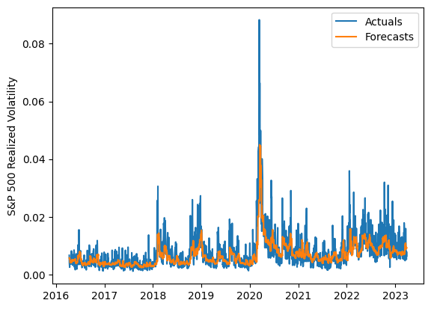
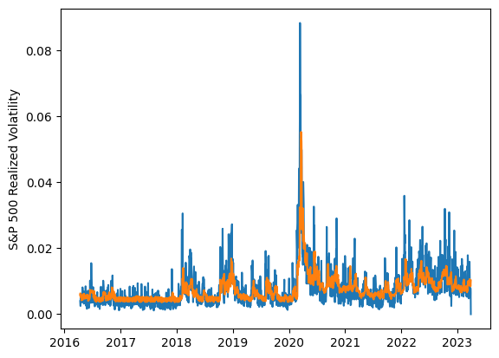
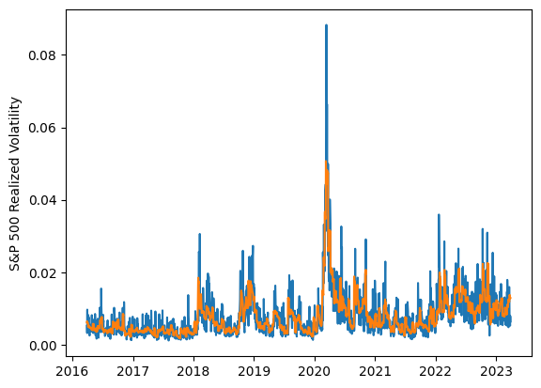
 | LSTM |  |  | TCN |  |  | NBEATSx |  |  |  |  | LSTM |  |  | TCN |  |  | NBEATSx
 | Accuracy | RMSE | Qlike | Accuracy | RMSE | Qlike | Accuracy | RMSE | Qlike |  |  | Accuracy | RMSE | Qlike | Accuracy | RMSE | Qlike | Accuracy | RMSE | Qlike
Trial 1 | 50.94% | 0.298% | 0.147 | 56.13% | 0.289% | 0.129 | 62.66% | 0.265% | 0.097 |  | Mean | 56.84% | 0.287% | 0.125 | 55.34% | 0.291% | 0.131 | 62.01% | 0.269% | 0.101
Trial 2 | 54.98% | 0.292% | 0.131 | 50.94% | 0.294% | 0.147 | 61.15% | 0.274% | 0.107 |  | Standard Deviation | 3.74% | 0.006% | 0.013 | 3.70% | 0.007% | 0.013 | 0.78% | 0.004% | 0.003
Trial 3 | 50.97% | 0.297% | 0.147 | 56.32% | 0.285% | 0.128 | 61.74% | 0.272% | 0.103 |  | 95% CI upper bound | 64.31% | 0.299% | 0.151 | 62.73% | 0.306% | 0.157 | 63.57% | 0.277% | 0.107
Trial 4 | 58.76% | 0.284% | 0.118 | 57.54% | 0.282% | 0.122 | 62.67% | 0.267% | 0.100 |  | 95% CI lower bound | 49.36% | 0.275% | 0.099 | 47.94% | 0.276% | 0.106 | 60.46% | 0.261% | 0.094
Trial 5 | 53.07% | 0.292% | 0.139 | 52.71% | 0.290% | 0.140 | 61.26% | 0.272% | 0.101 |  | 99.7% CI upper bound | 68.05% | 0.305% | 0.164 | 66.43% | 0.313% | 0.169 | 64.34% | 0.281% | 0.111
Trial 6 | 61.89% | 0.279% | 0.108 | 59.50% | 0.281% | 0.115 | 61.05% | 0.274% | 0.103 |  | 99.7% CI lower bound | 45.62% | 0.269% | 0.086 | 44.24% | 0.269% | 0.093 | 59.69% | 0.257% | 0.090
Trial 7 | 57.32% | 0.288% | 0.123 | 49.13% | 0.309% | 0.152 | 62.57% | 0.267% | 0.099
Trial 8 | 59.92% | 0.280% | 0.114 | 53.03% | 0.291% | 0.139 | 62.62% | 0.268% | 0.101
Trial 9 | 63.48% | 0.280% | 0.105 | 54.98% | 0.290% | 0.132 | 62.14% | 0.268% | 0.100
Trial 10 | 54.56% | 0.287% | 0.133 | 59.43% | 0.295% | 0.120 | 62.90% | 0.266% | 0.101
Trial 11 | 57.10% | 0.289% | 0.125 | 51.35% | 0.299% | 0.144 | 63.02% | 0.261% | 0.093
Trial 12 | 58.65% | 0.281% | 0.118 | 62.10% | 0.282% | 0.107 | 62.79% | 0.265% | 0.097
Trial 13 | 59.65% | 0.282% | 0.115 | 53.13% | 0.292% | 0.139 | 61.20% | 0.270% | 0.099
Trial 14 | 53.84% | 0.289% | 0.135 | 59.05% | 0.298% | 0.123 | 60.84% | 0.276% | 0.105
Trial 15 | 57.42% | 0.284% | 0.123 | 54.72% | 0.290% | 0.132 | 61.62% | 0.270% | 0.101

 | LSTM (best trial) |  |  |  |  |  |  |  |  | TCN (best trial) |  |  |  |  |  |  |  |  | NBEATSx (best trial)

